Sheet1
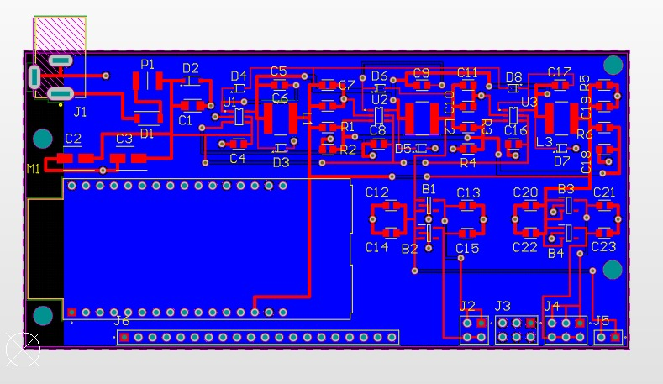
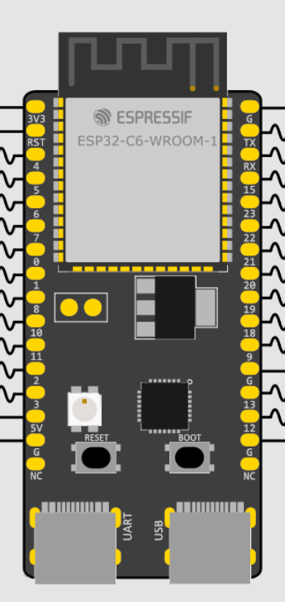
Dispositivo | Funcion | PIN name | CPU PIN | XRA1403 PIN | Connector PIN | Descripcion
MAX2871 | SPICLK | FSPICLK | 6 | - | 1 | SPI Clock
 | SPI MOSI | FSPID | 7 | - | 2 | SPI Data out
 | SPI MISO | FSPIQ | 2 | - | 3 | SPI Data in
 | SPI CS2 | FSPICS2 | 18 | - | 4 | SPI CS a MAX2871
AD8302 | ADC | ADC1_CH0 | 0 | - | 5 | ADC a MAG
 | ADC | ADC1_CH1 | 1 | - | 6 | ADC a PHASE
XRA1403 | SPICLK | FSPICLK | 6 | 22 | - | SPI Clock
 | SPI MOSI | FSPID | 7 | 2 | - | SPI Data out
 | SPI MISO | FSPIQ | 2 | 23 | - | SPI Data in
 | SPI CS3 | FSPICS3 | 19 | 21 | - | SPI CS a XRA1403
 | IRQ | GPIO3 | 3 | 1 | - | IRQ de XRA1403
 | RESET | GPIO9 | 9 | 3 | - | Reset XRA1403
 | GPIO | P0 | - | 4 | 7 | MAX2871 - LD
 | GPIO | P1 | - | 5 | 8 | MAX2871 - CE
 | GPIO | P2 | - | 6 | 9 | MAX2871 - Rfenable
 | GPIO | P3 | - | 7 | 10 | SWT-PA1
 | GPIO | P4 | - | 8 | 11 | SWT-PA2
 | GPIO | P5 | - | 9 | 12 | SWT-PB1
 | GPIO | P6 | - | 10 | 13 | SWT-PB2
 | GPIO | P7 | - | 11 | 14 | SWT-PC1
 | GPIO | P8 | - | 13 | 15 | SWT-PC2
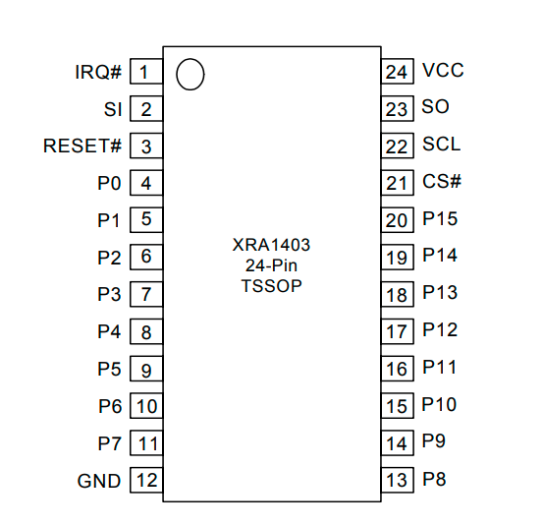
 | GPIO | P9 | - | 14 | 16 | I/O a definir
 | GPIO | P10 | - | 15 | 17 | I/O a definir
 | GPIO | P11 | - | 16 | 18 | I/O a definir
 | GPIO | P12 | - | 17 | 19 | I/O a definir
 | GPIO | P13 | - | 18 | 20 | I/O a definir
 | GPIO | P14 | - | 19 | 21 | I/O a definir
 | GPIO | P15 | - | 20 | 22 | I/O a definir
ESP32 | GPIO | GPIO4 | 4 | - | 23 | I/O a definir
 | GPIO | GPIO5 | 5 | - | 24 | I/O a definir
 | GPIO | GPIO8 | 8 | - | 25 | I/O a definir
 | GPIO | GPIO10 | 10 | - | 26 | I/O a definir
 | GPIO | GPIO11 | 11 | - | 27 | I/O a definir
 | GPIO | GPIO20 | 20 | - | 28 | I/O a definir
 | GPIO | GPIO21 | 21 | - | 29 | I/O a definir | N
 | GPIO | GPIO22 | 22 | - | 30 | LED GREEN
 | GPIO | GPIO23 | 23 | - | 31 | LED BLUE

